3 DAYS SALE banner bug
Център за обучение по софтуерно тестване Website: http://skillo-bg.com

Bug ID | PSB001
Name | 3 DAYS SALE banner doesn’t work when the user clicks it
Priority | P2
Severity | S2
Description | When the user clicks the 3 DAYS BANNER the site doesn’t redirect to the promotion
Steps to reproduce | 1. Go to http://automationpractice.com/index.php 2. Click 3 DAYS SALE banner Expected result: the site should redirects the user to the promotion Actual result: a new site is opened https://www.prestashop.com/en
Attachment | 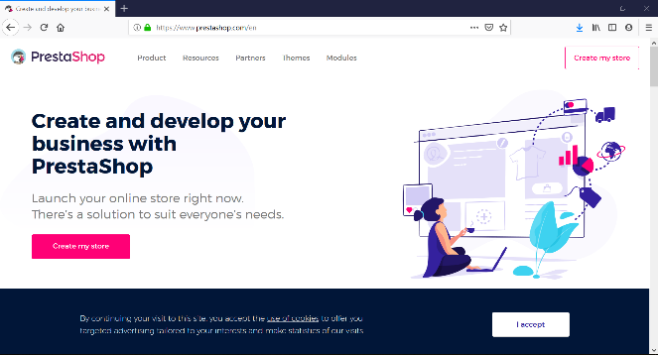 Created at 18:41 PM
Status | New/ To Do
Component | Promotion banner
Version/Build number (Found in) | v.3.3
Environment | Mozilla Firefox Version 67.0 (64-bit); Internet Explorer Version 11.765.17134.0
Comments
Date Created | 25.05.2019
Author | Svetla Lukanova
Audit Log | Svetla Lukanova created the bug on 25.05.2019

